1. Title Page
Instacart Analysis

Project Name: Instacart Analysis
Date: November 2023
Analyst Name: Marlo Williams

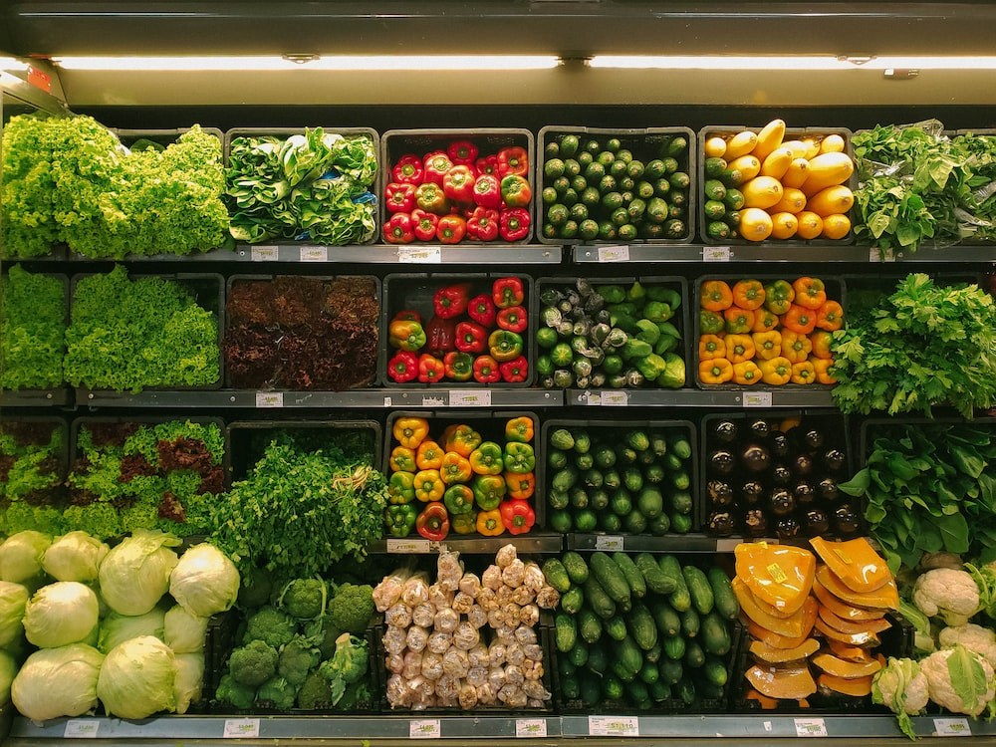


Contents:
Population Flow
Consistency checks
Wrangling steps
Column derivations
Visualizations
Recommendations

Data Citation:
“The Instacart Online Grocery Shopping Dataset 2017”, Accessed from www.instacart.com/datasets/grocery-shopping-2017 via Kaggle on 11/24/2023

Customer Data is fabricated and created by CareerFoundry

2. Population Flow
Title page

Population flow

Exclusion flag
Condition: max_order < 5
Obervations to be removed: 1,440,295
Final total count of order_products_all: 30,964,564

Orders_products_combined
Orders_products_merged
Orders_products_all

Total: 32,404,859
Total: 32,434,489
Total: 32,404,859

1.) The grey boxes in the first row of the population flow represent the original data sets as they were when you downloaded them.
2.) The second row of boxes (coloured) represents the data sets after they were manipulated, e.g., removed missing values and duplicates.
3.) The third row, where also the arrows are coloured, represents the merges performed between the datasets.

3. Consistency checks
 |  |  |  | Title page
Consistency checks

Dataset | Missing values | Missing values treatment | Duplicates
orders | days_since_prior_order = 206,209 | Nothing done because missing values are useful. It shows they are first-time customers. | 0 duplicates.
products | product_name = 16 | New dataframe that doesn't include them. | 5 duplicates. New dataframe that doesn't include them.
 | price wrong for product id: 21553 and 33664 | Prices changed from 99999.9 to 9.99 and 14900.0 to 1.49
orders_products_prior | NA | NA | NA
customers | NA | NA | NA

4. Wrangling steps
 |  |  |  |  | Title page
Wrangling steps

Dataset | Columns dropped | Columns renamed | Columns' type changed | Comment/Reason
orders | eval_set |  |  | not relevant to analysis
 |  | order_dow > orders_day_of_week |  | easier to read
 |  |  | order_id; int64 > str | info not needed for stats
 |  |  | user_id; int64 > str | info not needed for stats
customer | unnamed columns |  |  | info not needed for stats
 |  | n_dependents>number_of_dependants |  | easier to read
 |  | surnam > surname |  | easier to read
 |  | First Name > first_name |  | easier to read
 |  | Gender > gender |  | easier to read
 |  | STATE > state |  | easier to read
 |  | Age > age |  | easier to read
 |  |  | user_id; int64 > str | info not needed for stats
 |  |  | first_name; mix>str | mix data, switch to str
ords_prods_cust_merge | first_name |  |  | not relevant to analysis
 | surname |  |  | not relevant to analysis
 | aisle_id |  |  | not relevant to analysis
 | add_to_cart_order |  |  | not relevant to analysis
 | date_joined |  |  | not relevant to analysis
 | _merge |  |  | not relevant to analysis

5. Column derivations
 |  |  |  |  |  |  | Title page

Column derivations and aggregations

Dataset | New column | Column/s it was derived from | Conditions
orders_products_merged | Price Label | prices | Low Range Product <=5
(ords_prods_new) |  |  | Mid-Range Product 5 < x <=15
 |  |  | High Range Product >15
orders_products_merged | Busiest Day | orders _day_of_week | Busiest Day (0)
(ords_prods_new) |  |  | Least Busy (4)
 |  |  | Regularly Busy (1, 2, 3, 5, 6)
orders_products_merged | Busiest Days | orders_day_of_week | Busiest Days (0, 1)
(ords_prods_new) |  |  | Least Busy (3,4)
 |  |  | Regularly Busy (2, 5, 6)
orders_products_merged | Busiest Period of Day | order_hour_of_day | most orders (10, 11, 14, 15, 13, 12, 16, 9)
(ords_prods_new) |  |  | average orders (17, 8, 18, 19, 20, 7, 21, 22)
 |  |  | fewest orders (23, 6, 0, 1, 5, 2, 4, 3)
ords_prods_new | max_order | user_id, order_number | loyal customer > 40 orders
(ords_prods_agg) |  |  | regular customer 10 > x >= 40 orders
 |  |  | new customer <= 10 orders
ords_prods_new | mean_prices | user_id, prices | low spender < $10 mean price
(ords_prods_agg) |  |  | high spender >= $10 mean price
ords_prods_new | median_days_since_prior_order | user_id, days_since_prior_order | non-frequent customer: >20 days since prior order
(ords_prods_agg) |  |  | regular customer 10<x<=20 days since prior order
 |  |  | frequent customer <= 10 days since prior order
ords_prods_cust_clean | region | state | Northeast: Maine, New Hampshire, Vermont, Massachusetts, Rhode Island, Connecticut, New York, Pennsylvania, New Jersey
 |  |  | Midwest: Wisconsin, Michigan, Illinois, Indiana, Ohio, North Dakota, South Dakota, Nebraska, Kansas, Minnesota, Iowa, Missouri
 |  |  | South: Delaware, Maryland, District of Columbia, Virginia, West Virginia, North Carolina, South Carolina, Georgia, Florida, Kentucky, Tennessee, Mississippi, Alabama, Oklahoma, Texas, Arkansas, Louisiana
 |  |  | West: Idaho, Montana, Wyoming, Nevada, Utah, Colorado, Arizona, New Mexico, Alaska, Washington, Oregon, California, Hawaii
ords_prods_cust_clean | customer_activity | max_order | low-activity customer < 5 orders
 |  |  | high-activity customer >= 5 orders
ords_prods_cust_dept | age_group | age | young adult < 40
 |  |  | middle-aged adult >=40, <=60
 |  |  | senior > 60
ords_prods_cust_dept | income_group | income | low-income <= 67,004
 |  |  | mid-income > 67,004, <= 127,912
 |  |  | high-income > 127,912
ords_prods_cust_dept | dependants_flag | number_of_dependants | no dependants = 0
 |  |  | has dependants >0
ords_prods_cust_dept | customer_profile | income_group, age_group, dependants_flag | High-Income, Senior, Has Dependants | high-income > 127,912 | senior > 60 | has dependants >0
 |  |  | High-Income, Senior, No Dependants | high-income > 127,912 | senior > 60 | no dependants = 0
 |  |  | High-Income, Middle-Aged Adult, Has Dependants | high-income > 127,912 | middle-aged adult >=40, <=60 | has dependants >0
 |  |  | High-Income, Middle-Aged Adult, No Dependants | high-income > 127,912 | middle-aged adult >=40, <=60 | no dependants = 0
 |  |  | High-Income, Young Adult, Has Dependants | high-income > 127,912 | young adult < 40 | has dependants >0
 |  |  | High-Income, Young Adult, No Dependants | high-income > 127,912 | young adult < 40 | no dependants = 0
 |  |  | Mid-Income, Senior, Has Dependants | mid-income > 67,004, <= 127,912 | senior > 60 | has dependants >0
 |  |  | Mid-Income, Senior, No Dependants | mid-income > 67,004, <= 127,912 | senior > 60 | no dependants = 0
 |  |  | Mid-Income, Middle-Aged Adult, Has Dependants | mid-income > 67,004, <= 127,912 | middle-aged adult >=40, <=60 | has dependants >0
 |  |  | Mid-Income, Middle-Aged Adult, No Dependants | mid-income > 67,004, <= 127,912 | middle-aged adult >=40, <=60 | no dependants = 0
 |  |  | Mid-Income, Young Adult, Has Dependants | mid-income > 67,004, <= 127,912 | young adult < 40 | has dependants >0
 |  |  | Mid-Income, Young Adult, No Dependants | mid-income > 67,004, <= 127,912 | young adult < 40 | no dependants = 0
 |  |  | Low-Income, Senior, Has Dependants | low-income <= 67,004 | senior > 60 | has dependants >0
 |  |  | Low-Income, Senior, No Dependant | low-income <= 67,004 | senior > 60 | no dependants = 0
 |  |  | Low-Income, Middle-Aged Adult, Has Dependant | low-income <= 67,004 | middle-aged adult >=40, <=60 | has dependants >0
 |  |  | Low-Income, Middle-Aged Adult, No Dependants | low-income <= 67,004 | middle-aged adult >=40, <=60 | no dependants = 0
 |  |  | Low-Income, Young Adult, Has Dependants | low-income <= 67,004 | young adult < 40 | has dependants >0
 |  |  | Low-Income, Young Adult, No Dependants | low-income <= 67,004 | young adult < 40 | `

6. Visualizations
 |  |  |  |  | Title page

Visualisations

0 = Saturday
1 = Sunday
2 = Monday
3 = Tuesday
4 = Wednesday
5 = Thursday
6 = Friday
0 = Midnight
5 = 5:00 AM
10 = 10:00 AM
15 = 3:00 PM
20 = 8:00 PM
 | Key Question 1 Visualizations
Busiest Days of the Week: Saturday and Sunday are the busiest days of the week. Busiest Hours of the Day: 10:00AM - 3:00PM are the busiest hours of the day. | 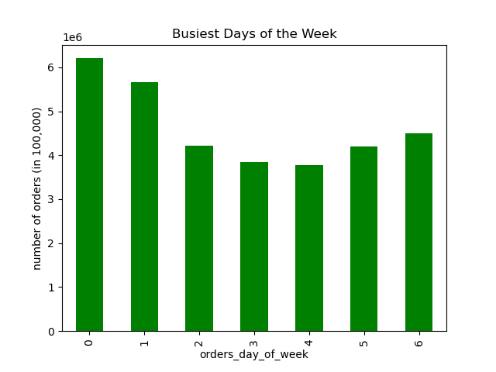 |  | 

0 = Saturday
1 = Sunday
2 = Monday
3 = Tuesday
4 = Wednesday
5 = Thursday
6 = Friday
0 = Midnight
5 = 5:00 AM
10 = 10:00 AM
15 = 3:00 PM
20 = 8:00 PM
 | Key Question 2 Visualizations
Days That Most Money is Spent: Friday and Saturday are the days that the most money is spent. Hours That Most Money is Spent: The most money is spent between 4:00AM-7:00AM. | 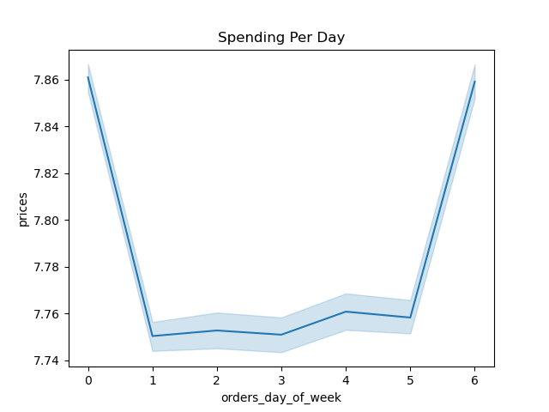 |  | 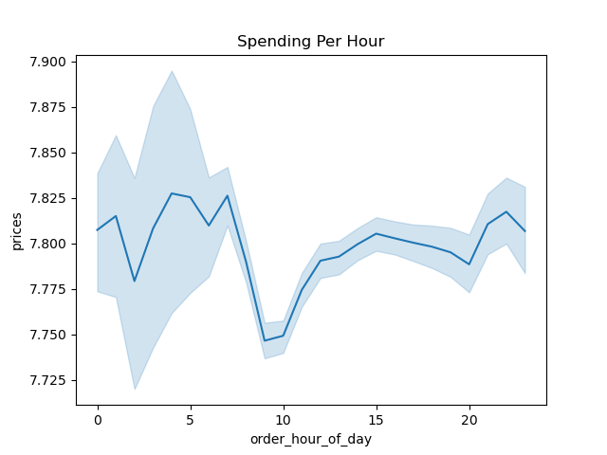

Low-Range Product: Under $5 Mid-Range Product: $6-$15 High-Range Product: $16+
 | Key Question 3 Visualizations
Products have been grouped by: - "high-range" product (more than $15) - "mid-range" product (more than $5 and less than or equal to $15) - "low-range" product (less than or equal to $5) | 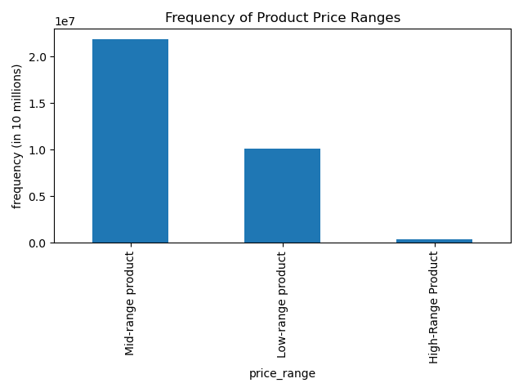

 | Key Question 4 Visualizations
Most Frequent Items Purchased: - Produce is the most frequently orded type of item. - Dairy/eggs is the second most frequently ordered type of item. | 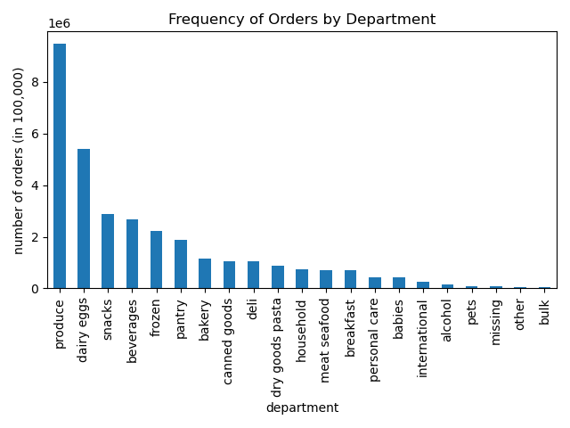

loyal customer:
> 40 orders
regular customer:
<10
>= 40 orders
new customer:
<= 10 orders
 | Key Question 5 Visualizations
Brand Loyalty: Most customers are considered regular customers. There is the least amount of new customers. There does not appear to be a significant different in expenditures versus loyalty. | 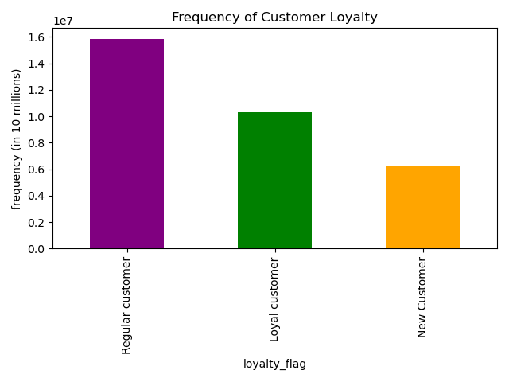 | 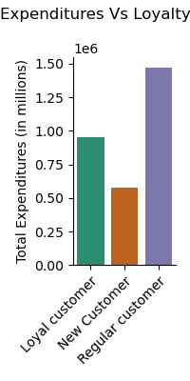

young adult:
< 40
middle-aged adult:
>=40
<=60
senior:
> 60
low-income:
<= 67,004
mid-income:
> 67,004
<= 127,912
high-income:
> 127,912
no dependants:
= 0
has dependants:
>0
 | Key Question 6 Visualizations: Customer Profiles
Customer Profiles: - Mid-Income, Young Adults with Dependants are the largest group among customers. - The largest customer profiles all have dependents. - Mid-Income makes up 3/5 of the top customer profiles. | 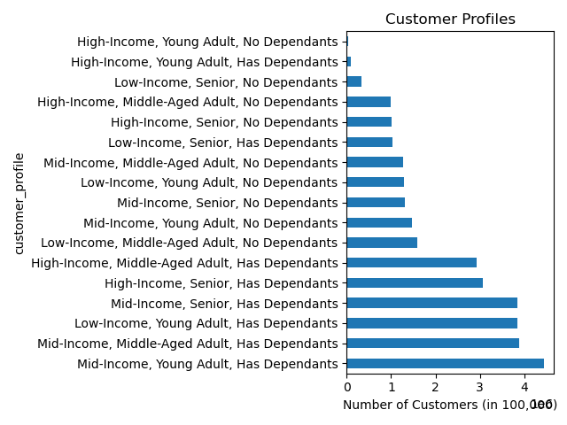

0 = Saturday
1 = Sunday
2 = Monday
3 = Tuesday
4 = Wednesday
5 = Thursday
6 = Friday
low-income:
<= 67,004
mid-income:
> 67,004
<= 127,912
high-income:
> 127,912
0 = Midnight
5 = 5:00 AM
10 = 10:00 AM
15 = 3:00 PM
20 = 8:00 PM
0 = Saturday
1 = Sunday
2 = Monday
3 = Tuesday
4 = Wednesday
5 = Thursday
6 = Friday
0 = Midnight
5 = 5:00 AM
10 = 10:00 AM
15 = 3:00 PM
20 = 8:00 PM
 | Key Question 6 Visualizations: Income
Customer Frequency Across Income: - As seen in the histogram, the incomes of customers is skewed with the majority of customers making under 200k. - Most customers have mid-income (between 67K-127K). Price of Orders: - Low-income customers consistently spend less on items compared to high-income and mid-income customers. - Mid-Income and High-Income customers spend the same amount on items. | 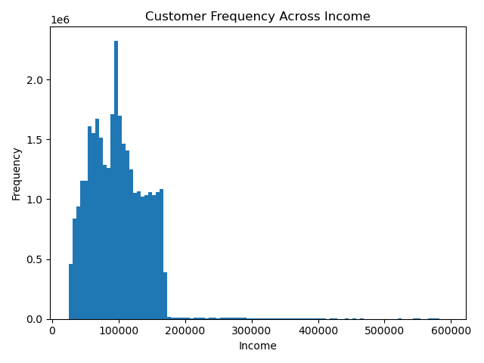 |  | 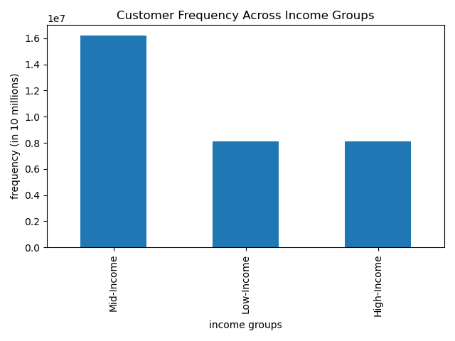
Number of Orders: Days: - Across income groups, Wednesday and Thursday receive the largest number of orders. - Across income groups, Friday and Saturday receive the least number of orders. Hours: - Across income groups, 6:00AM-8:00AM receive the most number of orders. - Across income groups, 12:00AM-3:00AM and 5:00PM-8:00PM receive the least number of orders. | 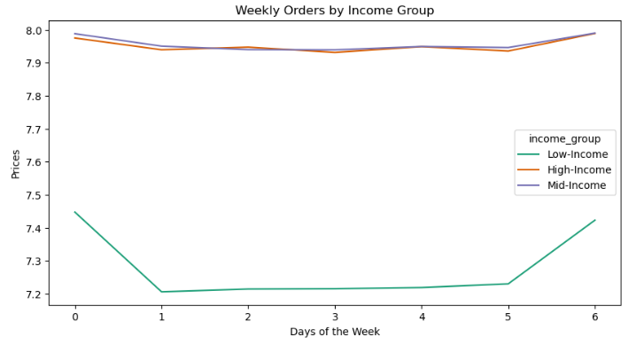 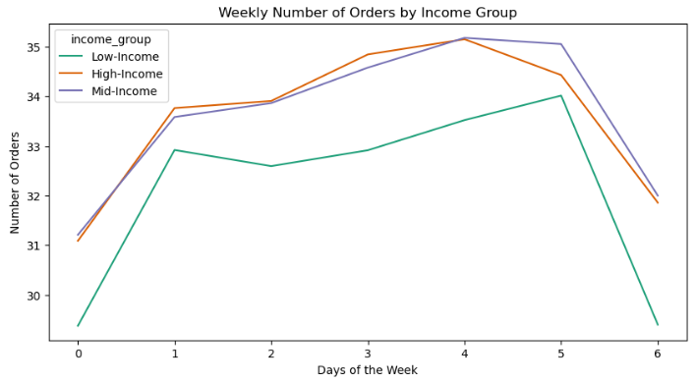 |  | 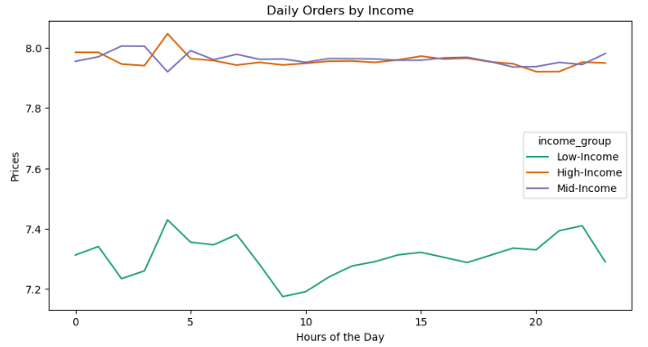 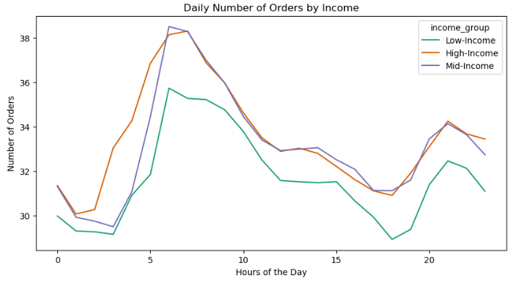
 | Key Question 6 Visualizations: Age
0 = Saturday
1 = Sunday
2 = Monday
3 = Tuesday
4 = Wednesday
5 = Thursday
6 = Friday
young adult:
< 40
middle-aged adult:
>=40
<=60
senior:
> 60
0 = Midnight
5 = 5:00 AM
10 = 10:00 AM
15 = 3:00 PM
20 = 8:00 PM
Customer Frequency Across Age: - There is approximately the same number of people across ages 18-81. Price of Orders: - Across age groups, the price of orders is highest on Friday and Saturday. - Throughout most of the day, there is no significant different in price of orders across age groups. At 2:00AM, the price drops significantly for young adults and middle-aged adults but is the highest time for seniors. | 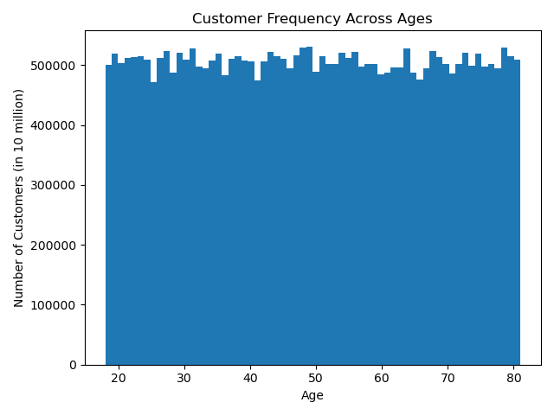 |  | 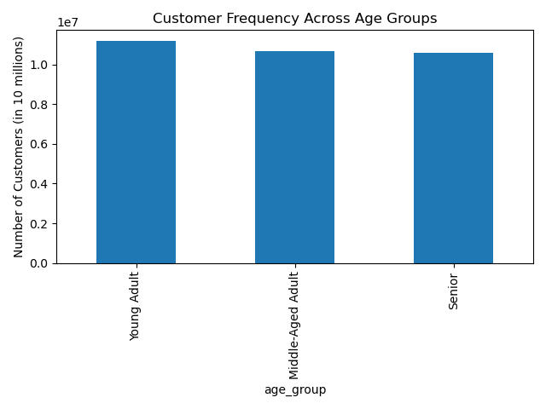
0 = Saturday
1 = Sunday
2 = Monday
3 = Tuesday
4 = Wednesday
5 = Thursday
6 = Friday
0 = Midnight
5 = 5:00 AM
10 = 10:00 AM
15 = 3:00 PM
20 = 8:00 PM
Number of Orders: Days: - Similar to the income analysis, the least number of orders are made on Friday and Saturday across age groups. Hours: - Similar to the income analysis, the least number of orders are placed between 12:00AM-3:00AM and 5:00PM-8:00PM. | 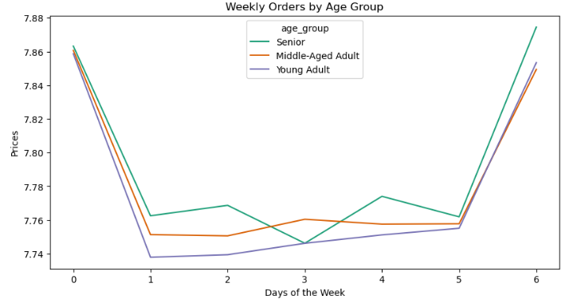 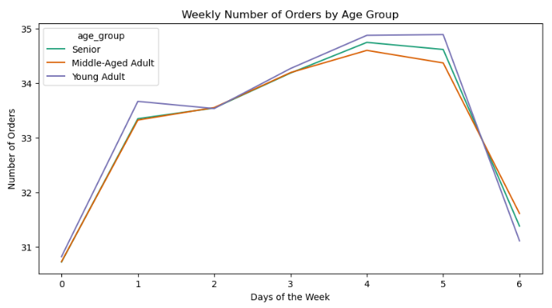 |  | 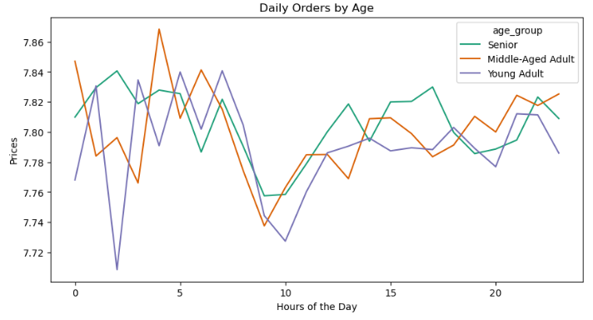 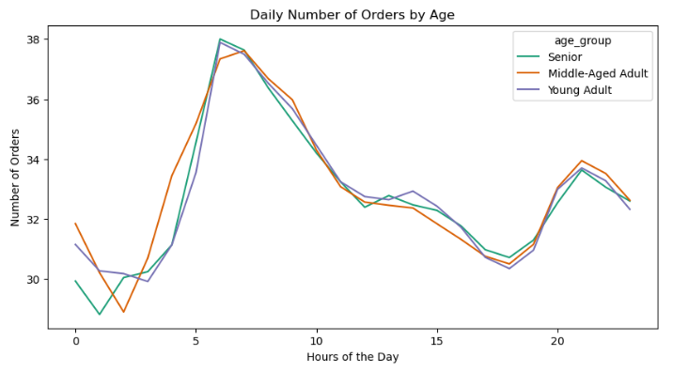
 | Key Question 6 Visualizations: Dependants
0 = Saturday
1 = Sunday
2 = Monday
3 = Tuesday
4 = Wednesday
5 = Thursday
6 = Friday
0 = Midnight
5 = 5:00 AM
10 = 10:00 AM
15 = 3:00 PM
20 = 8:00 PM
no dependants:
= 0
has dependants:
>0
Customer Frequency Across Dependants: - There is approximately the same number of customers who have 0, 1, 2, and 3 dependants. Price of Orders & Number of Orders: - There is no significant difference in number of orders or price of orders when looking if a customer has dependants or not. - The one exception to that is that people with no dependants spend less than those with dependants at 2:00AM and spend more at 3:00AM. | 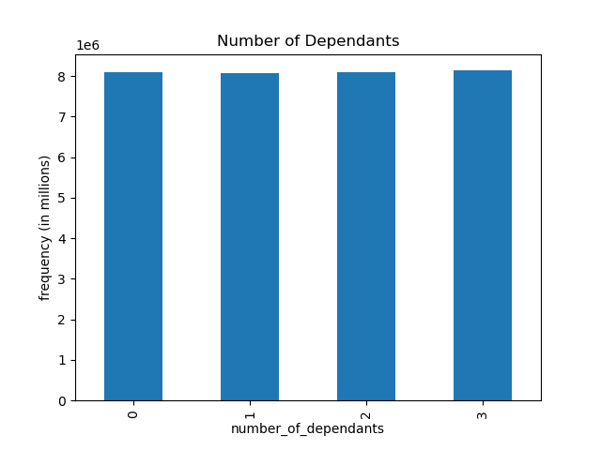 |  | 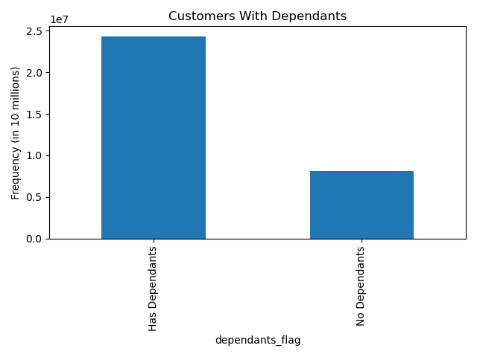
0 = Saturday
1 = Sunday
2 = Monday
3 = Tuesday
4 = Wednesday
5 = Thursday
6 = Friday
0 = Midnight
5 = 5:00 AM
10 = 10:00 AM
15 = 3:00 PM
20 = 8:00 PM
 | 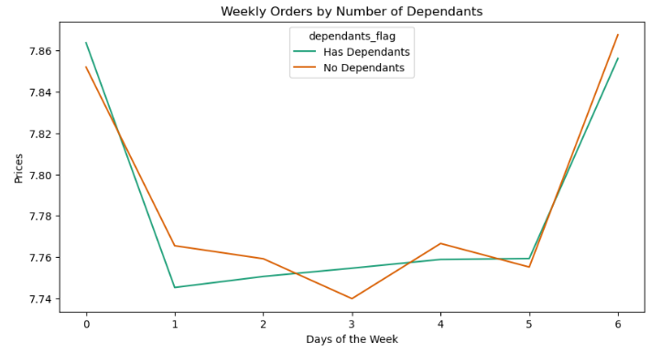 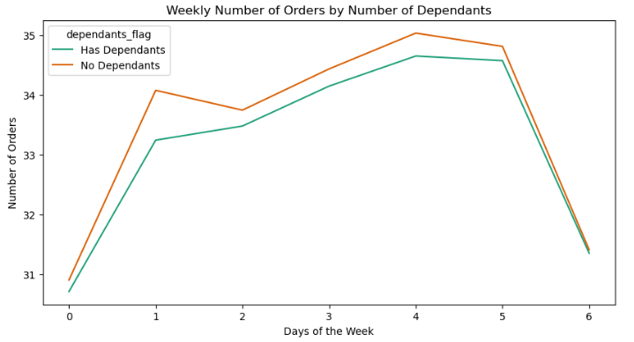 |  | 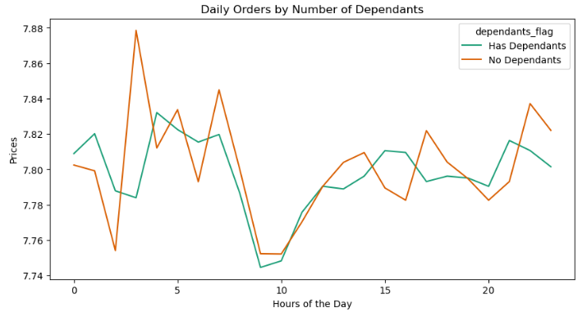 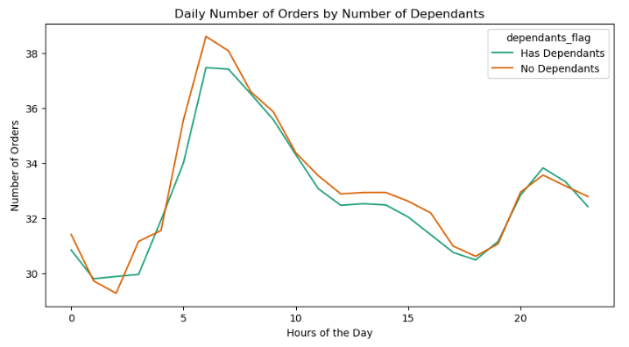
 | Key Question 6 Visualizations: Departments
low-income:
<= 67,004
mid-income:
> 67,004
<= 127,912
high-income:
> 127,912
young adult:
< 40
middle-aged adult:
>=40
<=60
senior:
> 60
Departments: - Across all customer profiles, produce is the most popular department, followed by dairy/eggs. - There is not a significant difference between income, age, and dependants groups. | 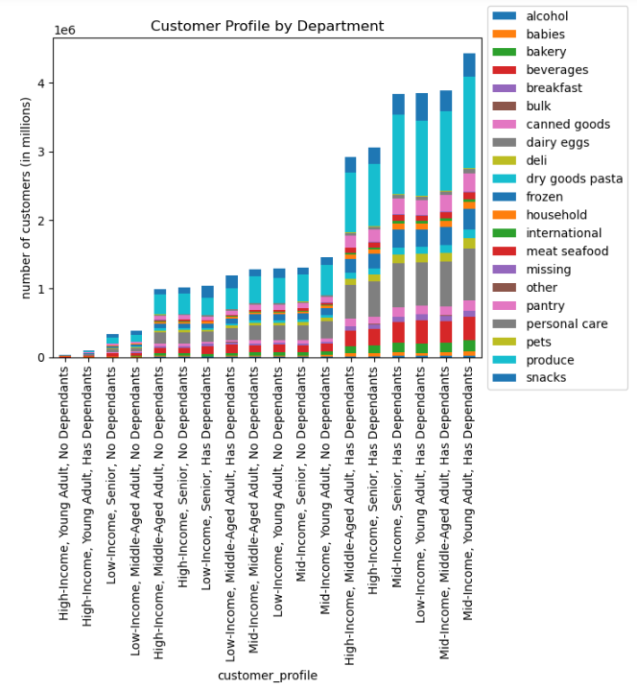 | 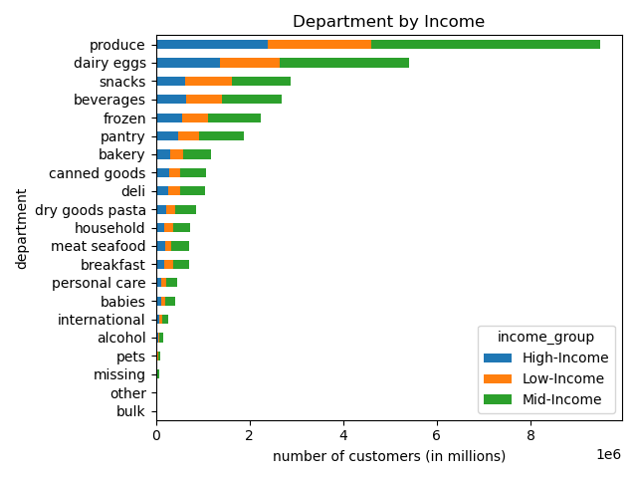 |  | 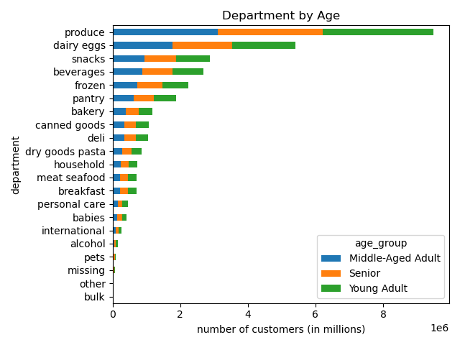
no dependants:
= 0
has dependants:
>0
 |  | 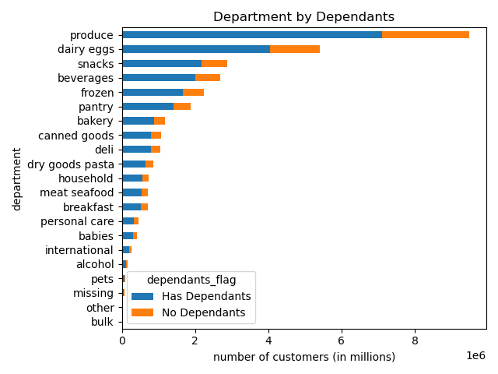
 | Key Question 6 Visualizations: Other
Family Status Ages: - According to this data: - married customers are between early 20s-80s - customers living with parents/ siblings are teens- early 20s - customers who are divorced/ widows are 60 and older - customers who are single are younger than 60 Income Vs. Ages: - Most people across age groups make under 200,000. - People over 40 make more than those under 40. | 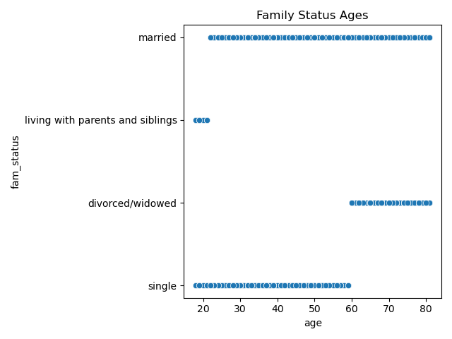 | 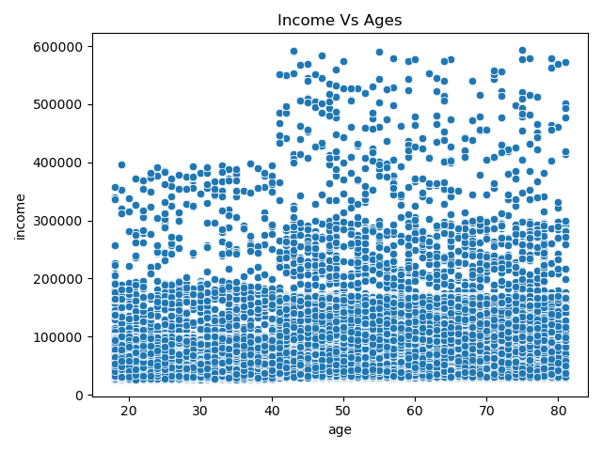
 | Key Question 7 Visualizations: Region
low-income:
<= 67,004
mid-income:
> 67,004
<= 127,912
high-income:
> 127,912
Northeast:
Maine, New Hampshire, Vermont, Massachusetts, Rhode Island, Connecticut, New York, Pennsylvania, New Jersey
Midwest:
Wisconsin, Michigan, Illinois, Indiana, Ohio, North Dakota, South Dakota, Nebraska, Kansas, Minnesota, Iowa, Missouri
South:
Delaware, Maryland, District of Columbia, Virginia, West Virginia, North Carolina, South Carolina, Georgia, Florida, Kentucky, Tennessee, Mississippi, Alabama, Oklahoma, Texas, Arkansas, Louisiana
West:
Idaho, Montana, Wyoming, Nevada, Utah, Colorado, Arizona, New Mexico, Alaska, Washington, Oregon, California, Hawaii
young adult:
< 40
middle-aged adult:
>=40
<=60
senior:
> 60
Region: - The south has the most customers and the Northeast has the fewest customers. - Across all customers profiles, the proportions of customers are the same. This means there are no regional differences in customer income, age, and number of dependants. | 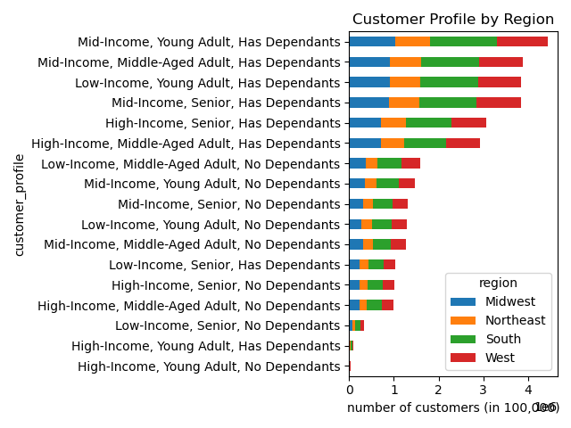 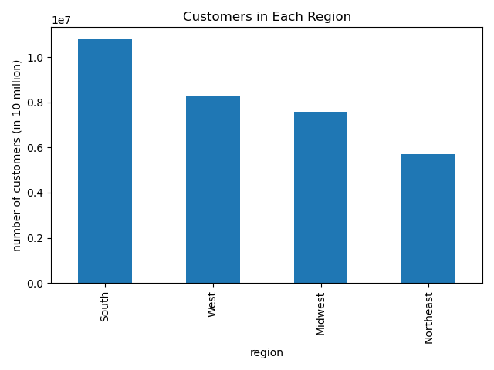
no dependants:
= 0
has dependants:
>0
low spender:
< $10 mean price
high spender:
>= $10 mean price
 | 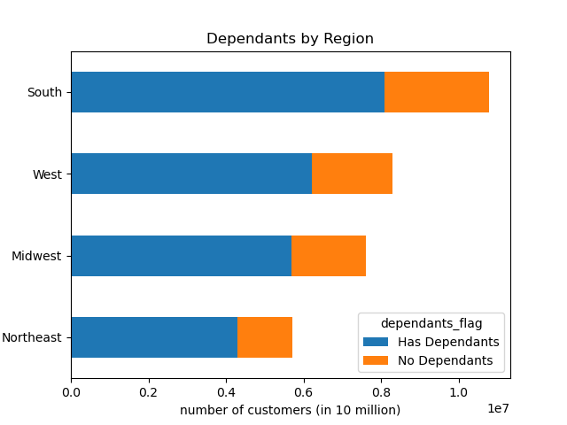 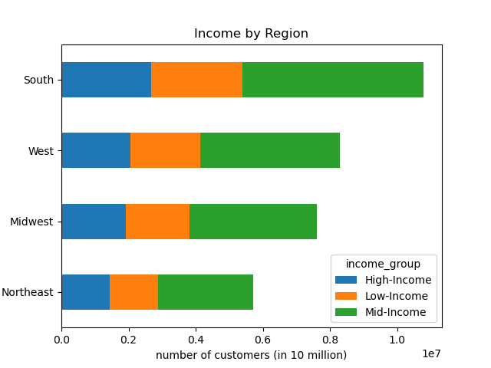 | 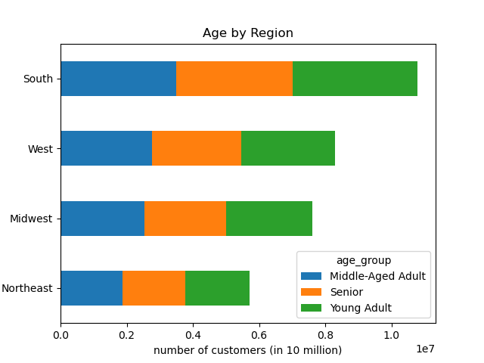 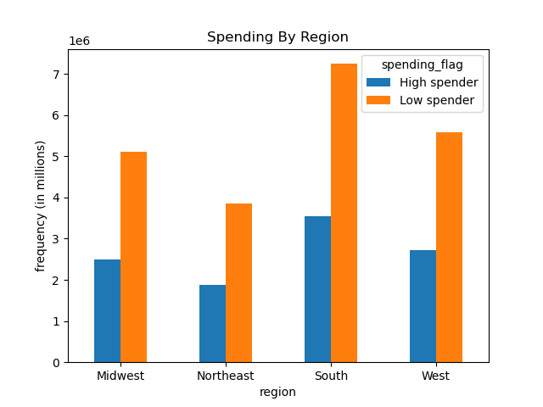

low-income:
<= 67,004
mid-income:
> 67,004
<= 127,912
high-income:
> 127,912
no dependants:
= 0
has dependants:
>0
young adult:
< 40
middle-aged adult:
>=40
<=60
senior:
> 60
 | Key Question 7 Visualizations: Regional Expenditures
Regional Expenditures: There are no significant differences across regions in expenditures. | 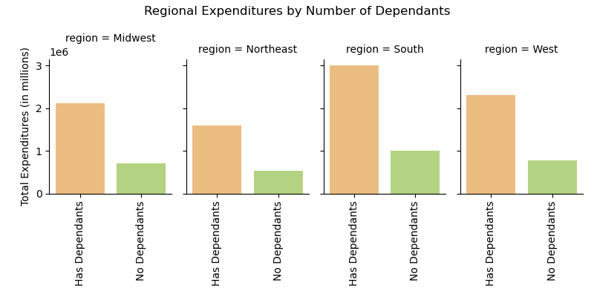 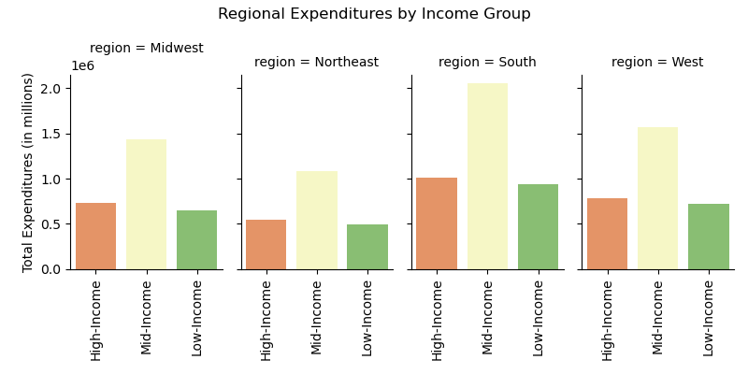 | 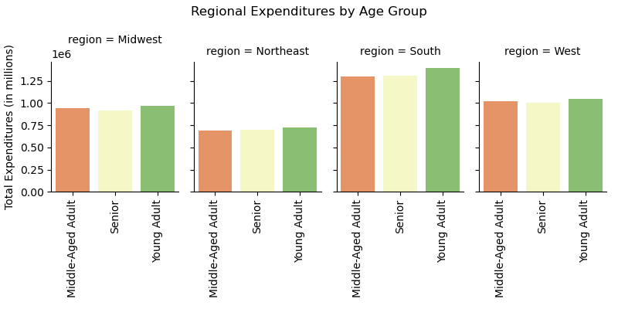

no dependants:
= 0
has dependants:
>0
low-income:
<= 67,004
mid-income:
> 67,004
<= 127,912
high-income:
> 127,912
young adult:
< 40
middle-aged adult:
>=40
<=60
senior:
> 60
 | Key Question 7 Visualizations: Regional Orders
Regional Orders: There are no significant differences across regions in orders. | 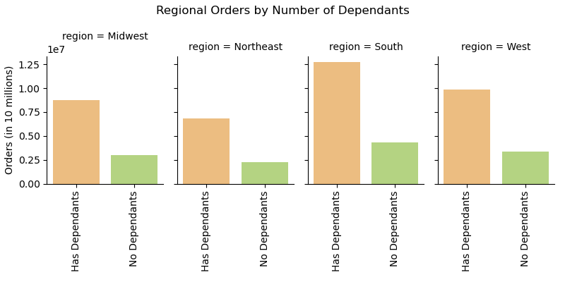 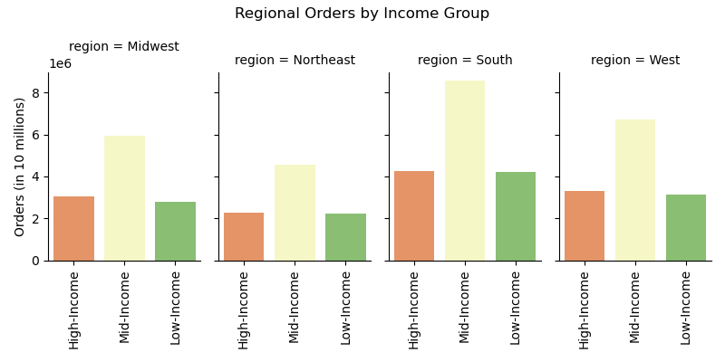 | 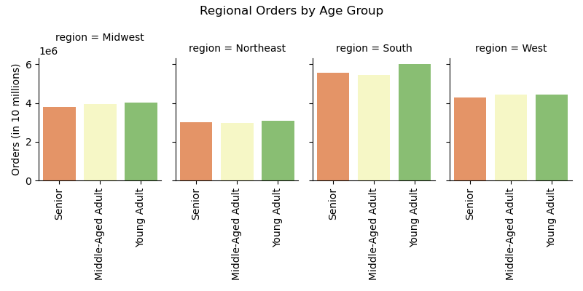

Northeast:
Maine, New Hampshire, Vermont, Massachusetts, Rhode Island, Connecticut, New York, Pennsylvania, New Jersey
Midwest:
Wisconsin, Michigan, Illinois, Indiana, Ohio, North Dakota, South Dakota, Nebraska, Kansas, Minnesota, Iowa, Missouri
South:
Delaware, Maryland, District of Columbia, Virginia, West Virginia, North Carolina, South Carolina, Georgia, Florida, Kentucky, Tennessee, Mississippi, Alabama, Oklahoma, Texas, Arkansas, Louisiana
West:
Idaho, Montana, Wyoming, Nevada, Utah, Colorado, Arizona, New Mexico, Alaska, Washington, Oregon, California, Hawaii
 | Key Question 7 Visualizations: Regional Departments
Regional Departments: There are no significant differences across regions in department orders.

7. Recommendations
 |  |  | Title page

Recommendations

Visualizations | Key Question 1
1 | The sales team needs to know what the busiest days of the week and hours of the day are (i.e., the days and times with the most orders) in order to schedule ads at times when there are fewer orders. | 1. The busiest days of the week are Saturday and Sunday. Tuesday and Wednesday are the least busy days. 2. The busiest hours of the day are between 10am and 3pm. Midnight through 5am are the least busy hours. Recommendations: Schedule ads for Tuesday and Wednesday and late-night specials between the times of midnight-5:00AM.
 | Key Question 2
2 | They also want to know whether there are particular times of the day when people spend the most money, as this might inform the type of products they advertise at these times. | The most money is spent on the days Friday and Saturday. The most money is spent during the hours of 4:00AM-7:00AM. Recommendations: Marketing should target the times 4:00AM-7:00AM on weekdays because these are times that do not get a lot of orders but the money money is being spent on the orders that are being made at this time.
 | Key Question 3
3 | Instacart has a lot of products with different price tags. Marketing and sales want to use simpler price range groupings to help direct their efforts. | Products have been group by "high-range" product (more than $15), "mid-range" product (more than $5 and less than or equal to $15), and "low-range" product (less than or equal to $5) through the "price-range" flag.
 | Key Question 4
4 | Are there certain types of products that are more popular than others? The marketing and sales teams want to know which departments have the highest frequency of product orders. | Produce is the most popular department followed by eggs and dairy. Recommendations: When listing suggested items, marketing can pair less-popular items from different departments with items that are popular from the produce and eggs/dairy department. (i.e. suggest purchasing cereal when a customer orders milk)
 | Key Question 5
5 | What’s the distribution among users in regards to their brand loyalty (i.e., how often do they return to Instacart)? Are there differences in ordering habits based on a customer’s loyalty status? | Most customers have made 11-40 orders, putting them in the category of regular customers. There does not seem to be a significant difference in ordering habits based on customer loyalty status. The amount of money spent by loyalty group is a similar shape to the number of people in each loyalty group. Recommendations: Have incentives for new customers to keep making orders. In addition, consider a loyalty reward, where after so many orders, one could receive a discount.
 | Key Question 6
6 | What different classifications does the demographic information suggest? What differences can you find in ordering habits of different customer profiles? | The demographic information suggests classifications in the areas of income, age, and dependants. Combining these together creates 18 different customer profiles. Mid-Income, Young Adults with Dependants are the largest group among customers. The largest customer profiles all have dependents. Mid-Income makes up 3/5 of the top customer profiles.
6a | Income | The majority of customers make between $67,000 and $127,000 per year. These customers follow similar trends to those who make over $127,000. Those who make under $67,000 spend less money and make less orders. Recommendations: Additional ads can be sent early mornings on weekdays to increase sales altogether.
6b | Age | There is approximately the same number of people aged 18-81. There is not a particular age group that uses Instacart more than others. There also is not much of a difference in order habits across age groups. The exception is that at 2:00AM, the price drops significantly for young adults and middle-aged adults but is the highest time for seniors. Reccomendations: Recommend higher-price objects to middle-aged adults and young adults as part of a late-night sale to increase sales revenue during the 2:00AM hour.
6c | Dependants | There is approximately 3 times more customers with dependants than without dependants. Those with dependants make up a huge part of the customer base. Ordering habits do not significantly differ between those with dependants and those that do not. Recommendations: Try different marketing strategies that will increase the number of customers without dependants. For those with dependants, products could be recommended for them, assuming data is collected on the age of dependants (i.e. recommending baby products vs. snacks for those who are older).
6d | Departments | Across all demographics, produce and dairy/eggs are the most popular departments. There is no significant difference in ordering habits among departments.
6e | Other | According to this data, married customers are between early 20s-80s. Customers living with parents/siblings are teens-early 20s. Customers who are divorced/widows are 60 and older. Customers who are single are younger than 60. Most people across age groups make under 200,000. People over 40 make more than those under 40. Recommendations: The connection in age and family status as well as the connetion in age and income can be used for specific ads towards towards groups of people.
 | Key Question 7
7 | Are there differences in ordering habits based on a customer’s region? | The south has the most customers. Across all customers profiles, the proportions of customers are the same. This means there are no regional differences in customer income, age, and number of dependants. Recommendations: Increase marketing in the northeast, midwest, and west regions to increase sales in these areas.
7a | Regional Expenditures | There are no significant differences across regions in expenditures.
7b | Regional Orders | There are no significant differences across regions in number of orders.
7c | Regional Departments | There are no significant differences across regions in popularity of departments.

